stemon
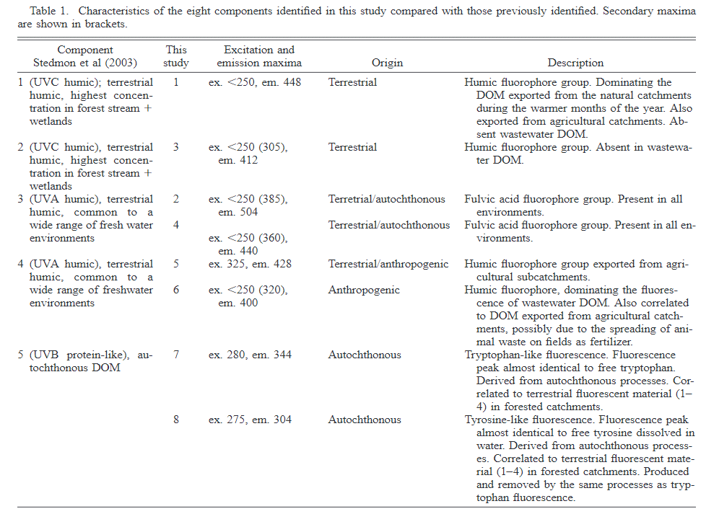

Resolving the variability in dissolved organic matter fluorescence in a temperateestuary and its catchment using PARAFAC analysis

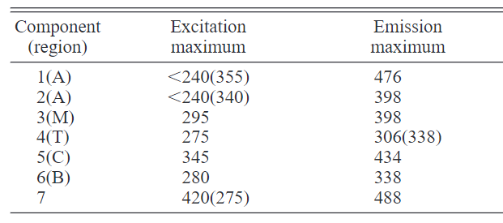
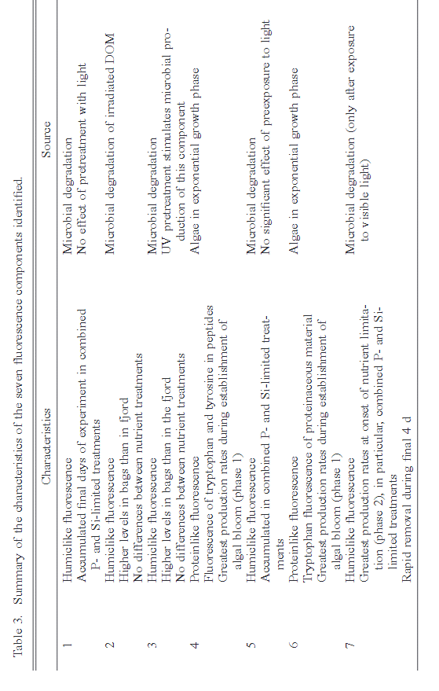

 | Tracing the production and degradation of autochthonous fractions of dissolved organicmatter by fluorescence analysis

